Sheet2
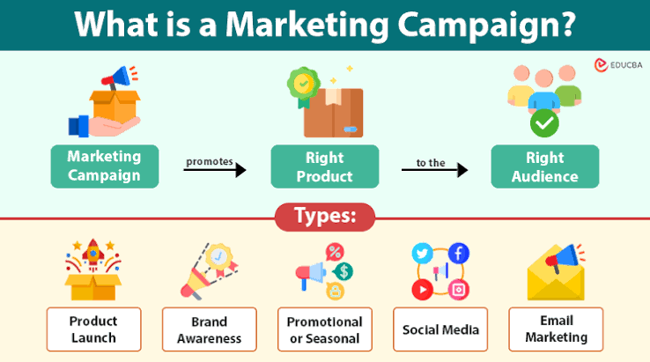


Marketing Campaign

 | Total
2n Cycle | 0
Graduation | 7
Master | 3
PhD | 2
 | Total
2014 | 1980


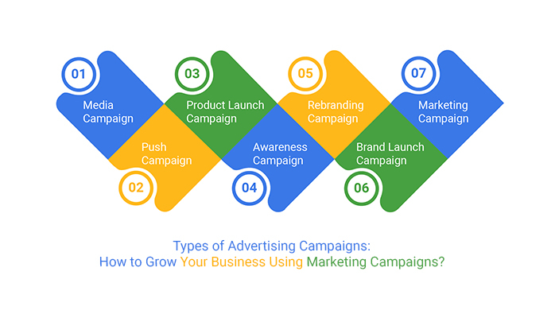

 | Total
2n Cycle | 0
Graduation | 7
Master | 3
PhD | 2
 | Sum of Kidhome | Sum of Recency
Divorced | 0 | 8
Married | 9 | 56
Single | 1 | 12
Together | 2 | 32



Income based on Education
 | Total
2n Cycle | 96547
Graduation | 938903
Master | 426671
PhD

